Data_Model
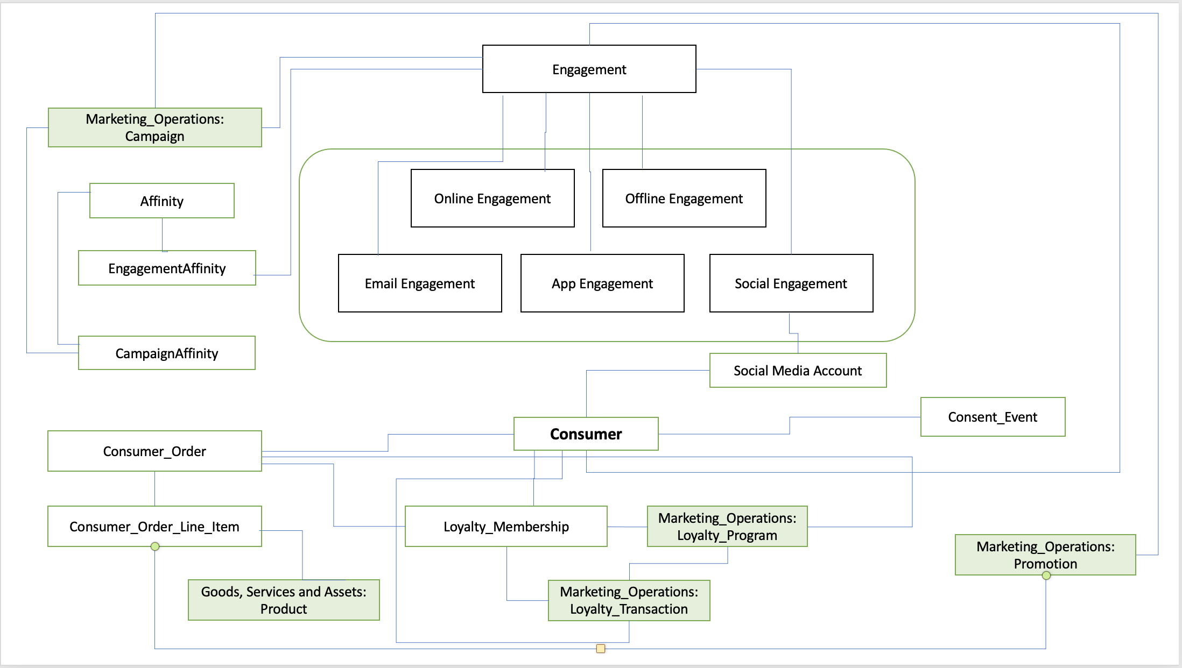

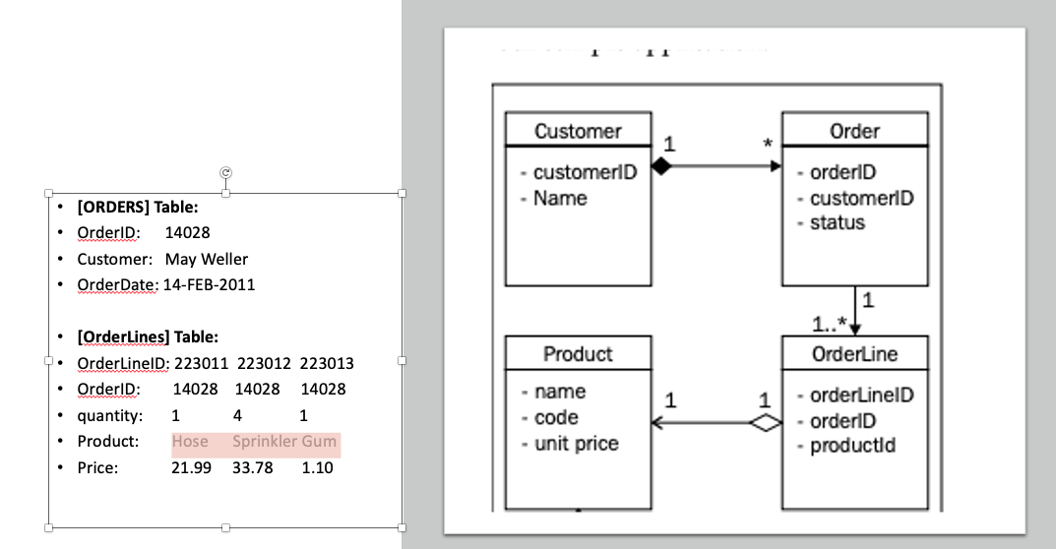

R4 Release Notes
Release Notes: Consumer_Data_Template_R4.0

LOV Changes
New values added to "Consumer" entity for attribute "Nationality"
New value "Unknown" added to “Product” entity for attributes “Astringency”, “Bitter_Taste”, “Body”, “Clarity”, “Salt_Taste”, “Sour_Taste”, “Sweet_Taste”, “Umami_Taste”
New value "Null" added to “Consumer_Order” entity for attributes “Delivery_Status”, “Delivery_Method”
New values “Send” and “Receive” added to “Sms_Engagement” entity for attribute “Sms_Engagement_Type”
Changes in the Table Structure
New Column "Primary_key" added
"Business_Key" is column is changed to "Alternate_key"
New Column "Upfront Data Requirements" added to the template
Column "Importance of LOV" specification is removed.
Column "Status LOV" is removed.
New Column "Link to LOV Document" added to the template. For now, this column only contains links to Global LOVs. The remaining ones can be found in the "LOV List" and "Affinity_LOVs" tabs inside this template.
Uniformation of all Entity/Attribute names
All names should start with upper case, followed by lower case. In case there is an underscore, the word after the underscore should start with upper case, followed by lower case. Examples:
“Affinity_key” changed to Affinity_Key”
“SMS_Engagement” changed to “Sms_Engagement”
“level” changed to “Level”

